Sheet3
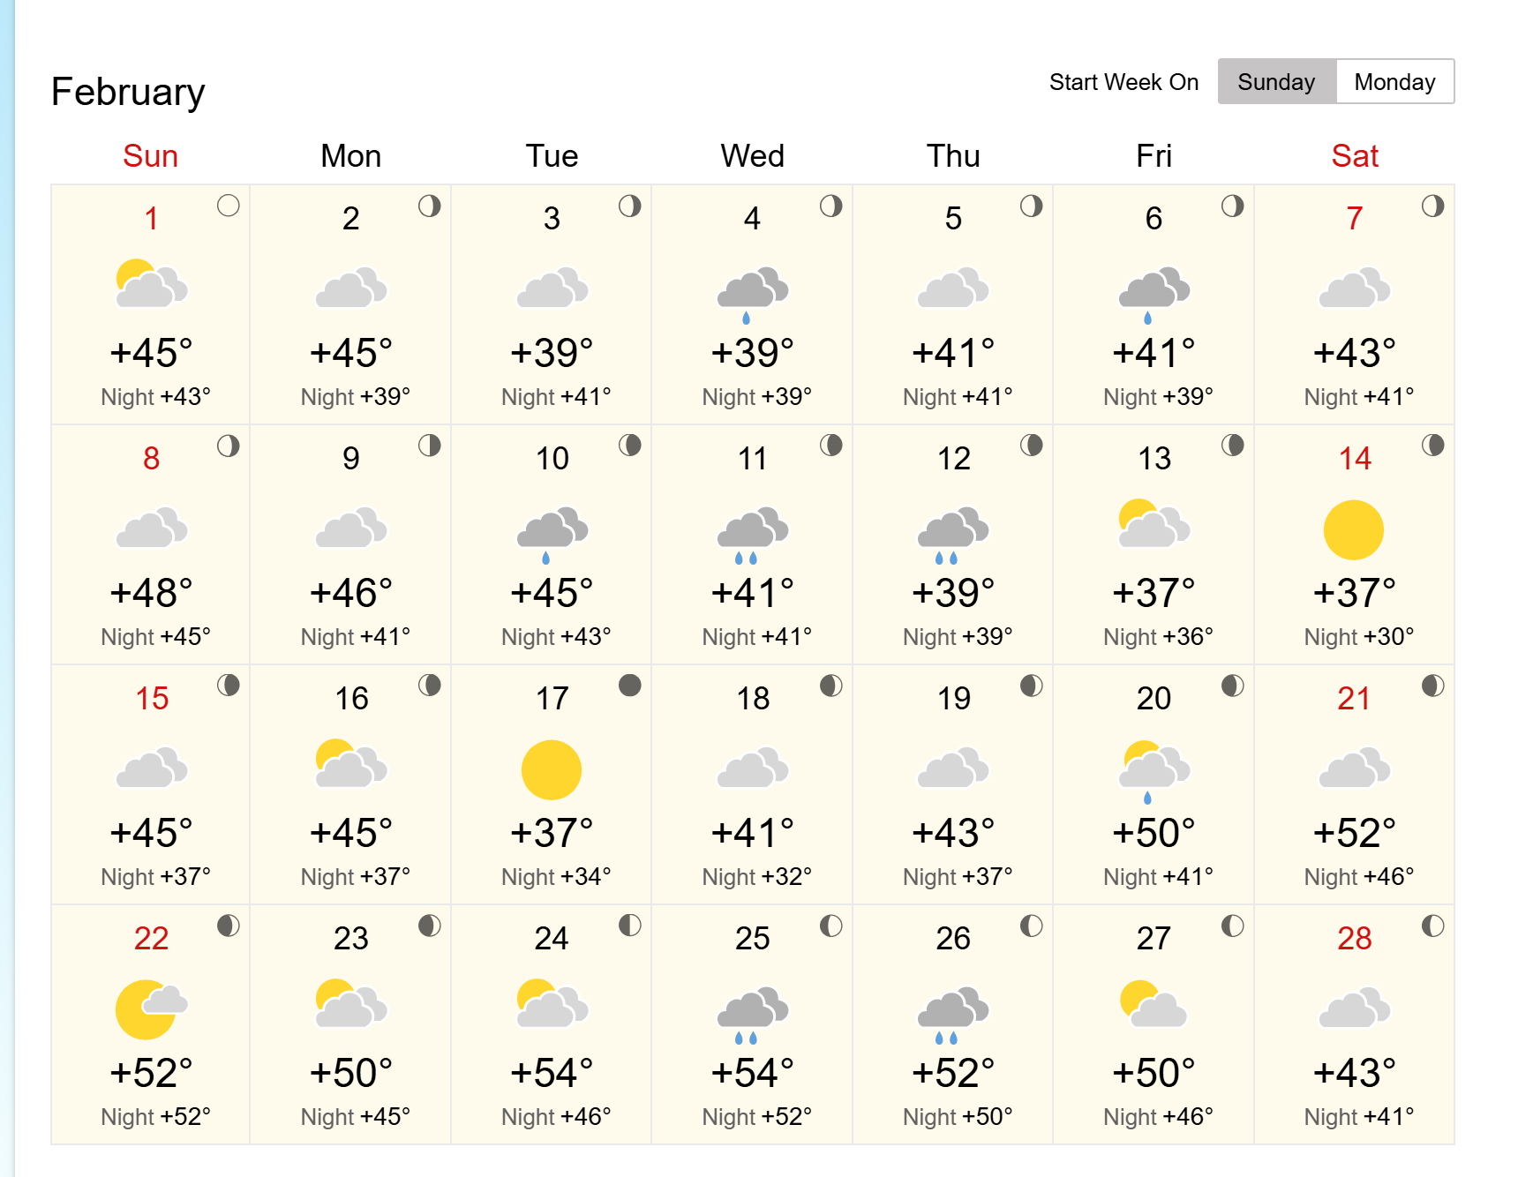
Day | Date | Mood | Temp (°C) | Rain | Weather | Notes
1 | Mon | 2 | 7.2 | 0 | Cloudy | Calm
2 | Tue | 4 | 7.2 | 0 | Cloudy | High
3 | Wed | 1 | 3.9 | 0 | Cloudy | Reflect
4 | Thu | 4 | 3.9 | 1 | Slightly Rainy | High
5 | Fri | 1 | 5 | 0 | Cloudy | Reflect
6 | Sat | 1 | 5 | 1 | Slightly Rainy | Reflect
7 | Sun | 3 | 6.1 | 0 | Cloudy | Good
8 | Mon | 1 | 8.9 | 0 | Cloudy | Reflect
9 | Tue | 3 | 7.8 | 0 | Cloudy | Good
10 | Wed | 1 | 7.2 | 1 | Slightly Rainy | Reflect
11 | Thu | 2 | 5 | 1 | Heavy Rainy | Calm
12 | Fri | 4 | 3.9 | 1 | Heavy Rainy | High
13 | Sat | 2 | 2.8 | 0 | Cloudy | Calm
14 | Sun | 4 | 2.8 | 0 | Sunny | High
15 | Mon | 1 | 7.2 | 0 | Cloudy | Reflect
16 | Tue | 4 | 7.2 | 0 | Cloudy | High
17 | Wed | 2 | 2.8 | 0 | Sunny | Calm
18 | Thu | 3 | 5 | 0 | Cloudy | Good
19 | Fri | 1 | 6.1 | 0 | Cloudy | Reflect
20 | Sat | 2 | 10 | 1 | Slightly Rainy | Calm
21 | Sun | 4 | 11.1 | 0 | Cloudy | High
22 | Mon | 2 | 11.1 | 0 | Sunny | Calm
23 | Tue | 1 | 10 | 0 | Cloudy | Reflect
24 | Wed | 2 | 12.2 | 0 | Cloudy | Calm
25 | Thu | 2 | 12.2 | 1 | Heavy Rainy | Calm
26 | Fri | 2 | 11.1 | 1 | Heavy Rainy | Calm
27 | Sat | 4 | 10 | 0 | Cloudy | High
28 | Sun | 4 | 6.1 | 0 | Cloudy | High

 |  |  |  |  |  |  | https://world-weather.info/forecast/united_kingdom/edinburgh/february-2026/

